Sheet1
 |  | Document No. | Issue No. | Issue Date |  | Review and Replace Date |  | Authorised By
 |  | GFF013MC | 3 | 23.09.2018 |  | 24.09.2019
 |  | Document Title | Pilau Rice 1250g - Deli Counter
 |  |  | Page 1 of 1 |  | Clause |  | 6.1 | Magda Shah
Document amendments reason for change |  | New weight and new packaging format |  |  | Previous Issue Date |  | 04.04.2019 | Uncontrolled copy unless signed original

CRIPL-R1BEB | BOOTHS - DELI |  | PILAU RICE 1250g
STEP 1 |  |  |  |  | STEP 2
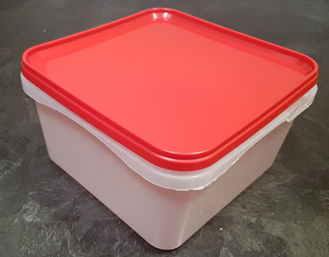 |  |  |  |  | 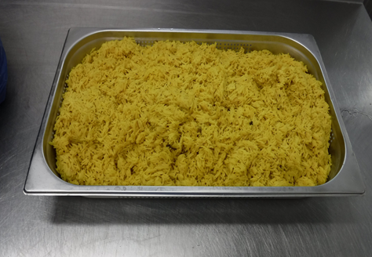

Tray: RED LID CONTAINER (PKSHA002-02) |  |  |  |  | PILAU RICE (GFF143R) 1250g

STEP 3
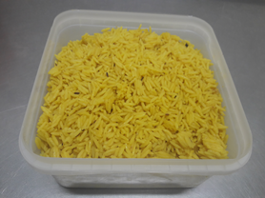

Use by applied from Date of Cooking

TOTAL WEIGHT: 1250g
ALLERGY ALERT: NONE

